Wrinkle
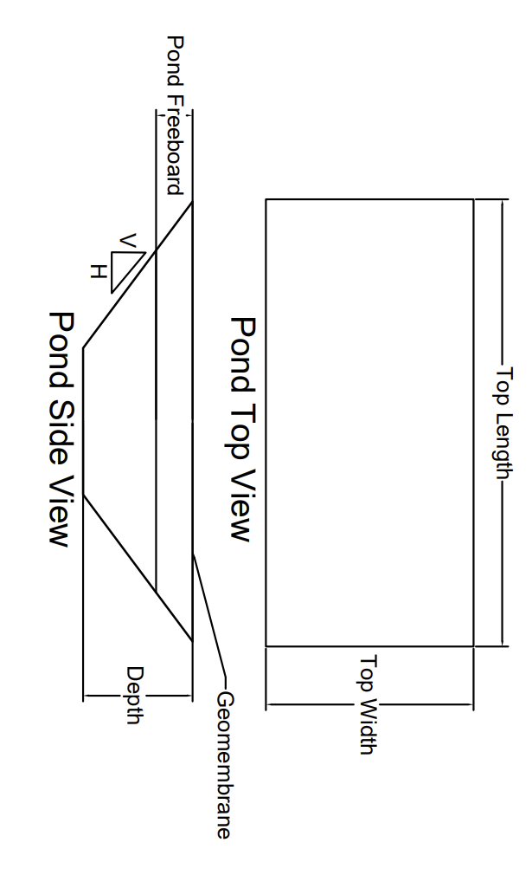

Unreinforced and Reinforced Geomembrane Defect and Wrinkle Leakage Calculator - January, 2021
By: Timothy D. Stark, Ph.D., P.E., D.GE, F.ASCE
Fabricated Geomembrane Institute
University of Illinios at Urbana-Champaign | Input Parameters
 | Calculated Results

STEP ONE (General Calculations & Summary) |  |  |  |  |  |  |  |  |  |  | STEP THREE (Typical Leakage Rates)
For a pond with the following dimensions: Top Width | 400 | meters |  |  |  |  |  |  |  |  | Typical Leakage Rates (cm3/sec) For Slope 3H:1V |  |  |  |  |  | Notes
Pond Top Length | 600 | meters |  |  |  |  |  |  |  |  | Hydraulic Conductivity (cm/sec) | 1.5 m depth | 3 m depth | 4.5 m depth | 6 m depth | 7.5 m depth | 1 | ft | = | 30.48 | cm
Pond Depth, | 25 | meters |  |  |  |  |  |  |  |  | 1 x 10-4-Compacted Soil | 3,920.55 | 10,617.61 | 17,459.41 | 24,378.10 | 31,305.83 | 1 | ft2 | = | 929.03 | cm2
Total/overall volume of the pond is: | 31,852,428.2 | m3 |  |  |  |  |  |  |  |  | 1 x 10-5-Compacted Soil | 392.05 | 1,061.76 | 1,745.94 | 2,437.81 | 3,130.58 | 1 | ft3 | = | 7.48052 | gallon
with a compacted soil hydraulic conductivity of * | 1.00E-07 | cm/sec |  |  |  |  |  |  |  |  | 1 x 10-6-Compacted Soil | 39.21 | 106.18 | 174.59 | 243.78 | 313.06 | 1 | cm3 | = | 0.000264172 | gallon
and a geomembrane hydraulic conductivity of ** | 1.00E-12 | cm/sec |  |  |  |  |  |  |  |  | 1 x 10-7-Compacted Soil | 3.92 | 10.62 | 17.46 | 24.38 | 31.31 | 1 | m2 | = | 10.76 | ft2
Leakage through the compacted soil liner is: | 53,911.9 | cm3/sec |  |  |  |  |  |  |  |  | 1 x 10-8-Compacted Soil | 0.39 | 1.06 | 1.75 | 2.44 | 3.13 | 1 | acre-foot | = | 325851 | gallon
Leakage through a geomembrane is ONLY: | 2.1 | cm3/sec |  |  |  | Conversion Factor |  |  |  |  | 1 x 10-14 Geomembrane | 0.000009 | 0.000025 | 0.000042 | 0.000059 | 0.000075 | 1 | gallons/day | = | 0.00378541 | m3/day
Cost of water is: | US$25,000.00 | /acre-foot |  |  | $200 to $3.4M/acre-foot | 325.851 gallons/acre-foot |  |  |  |  |  |  |  |  |  |  | 1 | gallons | = | 0.00378541 | m3
Lost Money due to Compacted Soil Leakage: | 1,525,032.31 | $/year |  |  |  |  |  |  |  |  |  |  |  |  |  |  | 1 | acre-foot | = | 1233.48022 | m3
Lost Money due to Geomembrane Leakage: | 60.04 | $/year |  |  |  |  |  |  |  |  |  |  |  |  |  |  | 1 | m2 | = | 10000 | cm2
NOTES: |  |  |  |  |  |  |  |  |  |  | Typical Leakage Rates (gallons/day) For Slope 3H:1V |  |  |  |  |  | 1 | m3 | = | 1000000 | cm3
*Compacted soil hydraulic conductivty is 1x10-7 cm/sec based on Subtitles D and C landfill requirements |  |  |  |  |  |  |  |  |  |  | Hydraulic Conductivity (cm/sec) | 1.5 m depth | 3 m depth | 4.5 m depth | 6 m depth | 7.5 m depth | 1 | gallons/day | = | 0.00378541 | cm3/sec
**Geomembrane hydraulic conductivty ranges from 1x10-10 to 1x10-14 cm/sec for typical products based on vapor transmission testing |  |  |  |  |  |  |  |  |  |  | 1 x 10-4-Compacted Soil | 89,484.38 | 242,341.33 | 398,501.67 | 556,416.94 | 714,538.67
 |  |  |  |  |  |  |  |  |  |  | 1 x 10-5-Compacted Soil | 8,948.44 | 24,234.13 | 39,850.17 | 55,641.69 | 71,453.87
 |  |  |  |  |  |  |  |  |  |  | 1 x 10-6-Compacted Soil | 894.84 | 2,423.41 | 3,985.02 | 5,564.17 | 7,145.39
STEP TWO (Detailed Information) |  |  |  |  |  |  |  |  |  |  | 1 x 10-7-Compacted Soil | 89.48 | 242.34 | 398.50 | 556.42 | 714.54
Leakage Rate Calculator from a Water Pond |  |  |  |  |  |  |  |  |  |  | 1 x 10-8-Compacted Soil | 8.95 | 24.23 | 39.85 | 55.64 | 71.45
Input Parameters |  |  |  |  |  | Calculations |  |  |  |  | 1 x 10-14 Geomembrane | 0.00021 | 0.00058 | 0.00096 | 0.00134 | 0.00171
Pond Geometry | Depth | = | 25 | m |  | Area of Pond Bottom | = | 112,500.0 | m2
 | Pond Freeboard | = | 2 | m | Water Below Pond Surface | Area of Four Sideslopes | = | 121,899.5 | m2
 | Pond Top Width | = | 400 | m |  | Total Leakage Area | = | 234,399.5 | m2 |  | STEP FOUR (Plot and Comparison)
 | Pond Top Length | = | 600 | m |  | Total Volume of Pond | = | 31,852,428.2 | m3 |  | Compacted Soil Liner Hydraulic Conductivity | 1.00E-07 | cm/sec |  |  |  |  |  |  | Total Leakage Rate (cm3/sec) for different types of geomembranes, with defects and wrinkles
Side Slope Inclination | Side Slope Geometry |  |  |  |  |  |  |  |  |  | Geomembrane Hydraulic Conductivity | 1.00E-12 | cm/sec
 | H |  | V |  |  | Compacted Soil Liner |  |  |  |  | Depth (ft.) | Volume of Pond (Gallons) | Leakage for Soil Liner (Gallons/Day) | Leakage for Geomembrane (Gallons/Day) | Money Loss for Compacted Soil (US Dollar/Day) | Money Loss for Geomembrane (US Dollar/Day) |  |  |  | HDPE | LLDPE | Flexible PP | PVC | Reinforced flexible PP (R-fPP) | Reinforced Ethylene Interpolymer Alloy (EIA) | Reinforced CSPE | Reinforced LLDPE
 | 3 | : | 1 |  |  | Hydraulic Gradient, i | = | 230 |  |  | 5 | 8,210,693.6 | 14572.5 | 0.068846 | US$1,118.03 | US$0.01 |  |  |  | 21.98 | 21.87 | 21.84 | 21.84 | 21.84 | 21.84 | 21.84 | 21.84
Material Properties | Drainage Composite | = | 0.1 | m | Thickness | Leakage Rate, q | = | 53,911.9 | cm3/sec |  | 10 | 15,400,296.1 | 39110.4 | 0.184773 | US$3,000.63 | US$0.01 |  |  |  | 21.98 | 21.88 | 21.84 | 21.84 | 21.84 | 21.84 | 21.84 | 21.84
Compacted Soil Liner | Hydraulic Conductivity, k | = | 1.00E-07 | cm/sec |  | Geomembrane |  |  |  |  | 15 | 21,669,794.8 | 63934.6 | 0.302053 | US$4,905.20 | US$0.02 |  |  |  | 21.98 | 21.88 | 21.84 | 21.84 | 21.84 | 21.84 | 21.84 | 21.84
 | Geomembrane | = | 2.54 | cm | Thickness | Hydraulic Gradient, i | = | 905.5 |  |  | 20 | 27,120,176.4 | 89014.1 | 0.420539 | US$6,829.36 | US$0.03 |  |  |  | 21.98 | 21.88 | 21.84 | 21.84 | 21.84 | 21.84 | 21.84 | 21.84
 | Hydraulic Conductivity, k | = | 1.00E-12 | cm/sec |  | Leakage Rate No Defects, q | = | 2.123 | cm3/sec |  | 25 | 31,852,428.2 | 114318.0 | 0.540085 | US$8,770.73 | US$0.04 |  |  |  | 21.98 | 21.88 | 21.84 | 21.84 | 21.84 | 21.84 | 21.84 | 21.84
Leakage - Pond Volume
Geomembrane Defects | Geomembrane Defects |  |  |  |  | Geomembrane with Defects
Leakage Per Day for different Geomembrane
 | # of holes per hectare | = | 4 | with "high Inspection" |  | Leakage Rate for one hole | = | 0.210 | cm3/sec
 | Number of holes | = | 93.8 | For the total leakage Area |  | Leakage Rate for all holes | = | 19.71 | cm3/sec
 | Area of a hole | = | 4.00E-06 | m2 | *Assumes area of 4 mm2 | Leakage Rate, GM w. defects, q | = | 21.84 | cm3/sec
 | Hydraulic head on GM | = | 1 | m
 | Wrinkle Dimensions for Different Geomembranes |  |  |  |  | Geomembrane with wrinkles |  | Good Contact | Poor contact
Geomembrane Wrinkle Dimensions | Geomembranes Type |  | Typical Wrinkle Dimensions | Input wrinkle dimensions |  | 60 mil black HDPE GM
 |  |  |  |  |  | Leakage rate, wrinkles | = | 1.40E-01 | 1.41E-01 | cm3/day
 | 60 mil Black HDPE |  |  |  |  | Leakage w/wrinkles & no defects | = | 2.3 | 2.3 | cm3/day
 | Width (0.2 to 0.3 m) | = | 0.7-1.0 | 0.85 | ft. | Leakage w/wrinkles & defects | = | 22.0 | 22.0 | cm3/day
 | Length (100 to 200 m) | = | 655 | 655.00 | ft. | 30 mil black LLDPE GM
 | 30 mil Black LLDPE |  |  |  |  | Leakage rate, wrinkles | = | 3.78E-02 | 3.81E-02 | cm3/day
 | Width (0.1 to 0.3 m) | = | 0.3-0.7 | 0.50 | ft. | Leakage w/wrinkles & no defects | = | 2.2 | 2.2 | cm3/day
 | Length (50 to 100 m) | = | 300 | 300.00 | ft. | Leakage w/wrinkles & defects | = | 21.9 | 21.9 | cm3/day
 | 30 mil Black Flexible PP |  |  |  |  | 30 mil black FLEXIBLE PP GM
 | Width (3 to 6 cm) | = | 0.1-0.2 | 0.15 | ft. | Leakage rate, wrinkles | = | 5.74E-04 | 5.89E-04 | cm3/day
 | Length (3 to 6 m) | = | 10.0-20.0 | 15.00 | ft. | Leakage w/wrinkles & no defects | = | 2.1 | 2.1 | cm3/day
 | 30 mil Grey PVC |  |  |  |  | Leakage w/wrinkles & defects | = | 21.8 | 21.8 | cm3/day
 | Width (3 to 4 cm) | = | 0.1 | 0.10 | ft. | 30 mil grey PVC GM
 | Length (3 to 4.5 m) | = | 10.0-15.0 | 12.50 | ft. | Leakage rate, wrinkles | = | 3.22E-04 | 3.34E-04 | cm3/day
 | 36 mil Black Reinforced flexible PP (R-fPP) |  |  |  |  | Leakage w/wrinkles & no defects | = | 2.1 | 2.1 | cm3/day
 | Width (1.5 to 2.0 cm) | = | 0.05 | 0.05 | ft. | Leakage w/wrinkles & defects | = | 21.8 | 21.8 | cm3/day
 | Length (0.6 to 1.5 m) | = | 2.0-5.0 | 3.50 | ft. | R-fPP GM
 | 30 mil White Reinforced Ethylene Interpolymer Alloy (EIA) |  |  |  |  | Leakage rate, wrinkles | = | 4.62E-05 | 4.97E-05 | cm3/day
 | Width (1.5 to 2.0 cm) | = | 0.05 | 0.05 | ft. | Leakage w/wrinkles & no defects | = | 2.1 | 2.1 | cm3/day
 | Length (0.3 to 1.5 m) | = | 1.0-5.0 | 4.00 | ft. | Leakage w/wrinkles & defects | = | 21.8 | 21.8 | cm3/day
 | 36 mil Black Reinforced CSPE |  |  |  |  | 36 mil black R-EIA GM
Money Lost Per Day - Based on Pond Volume
 | Width (1.5 to 2.0 cm) | = | 0.05 | 0.05 | ft. | Leakage rate, wrinkles | = | 5.28E-05 | 5.68E-05 | cm3/day
 | Length (0.3 to 1.5 m) | = | 1.0-5.0 | 3.00 | ft. | Leakage w/wrinkles & no defects | = | 2.1 | 2.1 | cm3/day
 | 36 mil Black Reinforced LLDPE |  |  |  |  | Leakage w/wrinkles & defects | = | 21.8 | 21.8 | cm3/day
 | Width (1.5 to 2.0 cm) | = | 0.05 | 0.05 | ft. | 36 mil black R-CSPE GM
 | Length (0.3 to 1.5 m) | = | 1.0-5.0 | 2.00 | ft. | Leakage rate, wrinkles | = | 3.96E-05 | 4.26E-05 | cm3/day
 |  |  |  |  |  | Leakage w/wrinkles & no defects | = | 2.1 | 2.1 | cm3/day
 |  |  |  |  |  | Leakage w/wrinkles & defects | = | 21.8 | 21.8 | cm3/day
Flow Parameters | Head Loss | = |  | 27.00 | cm. | 36 mil black R-LLDPE GM
 |  |  |  |  |  | Leakage rate, wrinkles | = | 7.02E-08 | 2.84E-05 | cm3/day
 | Transmissivity | = | Good Contact | 0.000000016 | m2/s | Leakage w/wrinkles & no defects | = | 2.1 | 2.1 | cm3/day
 |  | = | Poor Contact | 1.00E-07 | m2/s | Leakage w/wrinkles & defects | = | 21.8 | 21.8 | cm3/day

 | Input Parameters
 | Calculated Results

Explanation of Calculations

The shape of the water pond is a right frustum, which leads to the total volume calculation of: Volume = Surface Area at Top+Surface Area at Bottom)/2*Height.
The contact area between the water and the pond bottom, i.e., top of geomembrane or compacted soil liner/geomembrane, consists of the area at the base of the pond and on the four sides.
Water can leak through these five areas.
The leakage rate (q) from the pond is calculated using Darcy's Law: q=k*(h/L)*A. A constant-head seepage condition is assumed, which means the pond level does not change during the length of ponding or seepage. The pond level, or total head causing seepage (h), is the depth of pond minus the free board, i.e., (D-FB). L is the thickness of the geomembrane or compacted soil liner and A is the contact area of seepage (A) is the five areas mentioned above, i.e., (Area of the pond base + Area of four sides). k is the hydraulic conductivity of the geomembrane or compacted soil liner and q is the leakage rate as a function of time. The leakage rate can be converted to leakge volume by multiplying q by a certain time period to estimate the leakage in gallons or cubic feet.

Typical Goembranes Used
60 mil Black HDPE
30 mil Black LLDPE
30 and 40 mil Black Flexible PP
30 and 40 mil Grey PVC
36, 45, and 60 mil Black Reinforced flexible PP (R-fPP)
30 and 40 mil White Reinforced Ethylene Interpolymer Alloy (EIA)
36, 45, 60, and 90 mil Black Reinforced CSPE
30, 36, 45, and 60 mil Black Scrim Reinforced LLDPE
30, 36, and 45 mil Black Woven Coated LLDPE

